Getting the Environment Ready
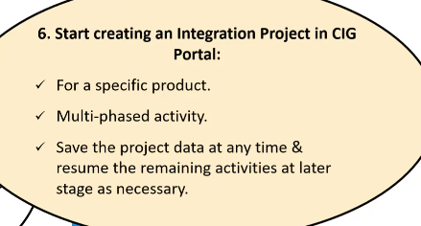
Getting the Environment Ready |  | S4X | S4D | S4Q | S4P
1 | Download & install CIG AddOn software components: | Completed | Completed | Completed | Completed

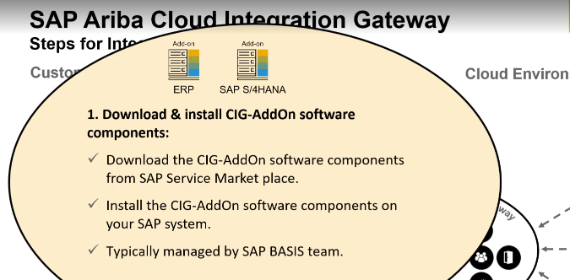

2 | Enable CIG: | Completed | Completed | Completed | Completed
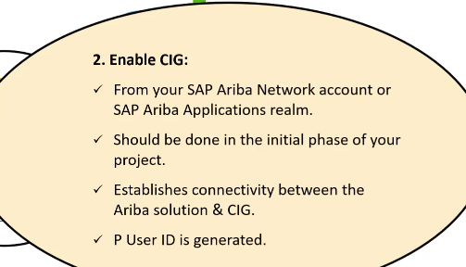

3 | Download, install & configure SAP Cloud Connector | Completed | Completed | Completed
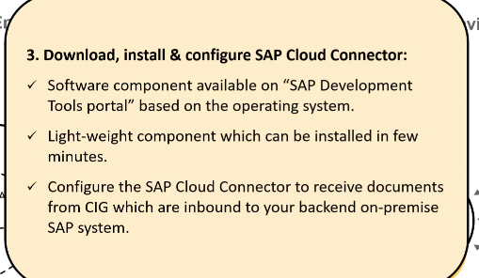

4 | Define Global Settings: | Completed
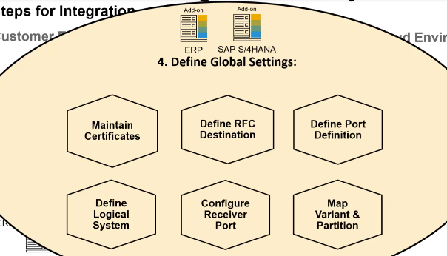

5 | Send SAP system information to CIG:
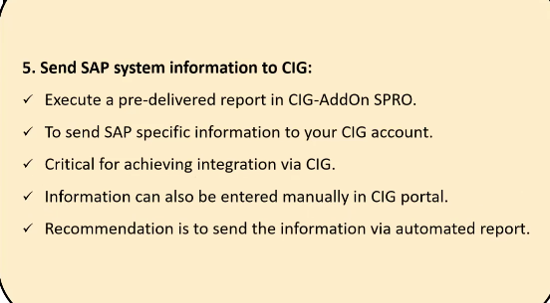

6 | Start creating an Integration Project in CIG Portal:

Configure the Solution
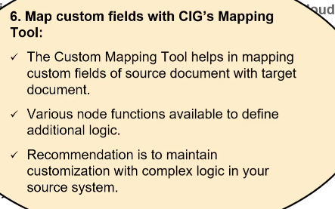
Configure the Solution
1 | Maintain General Settings:
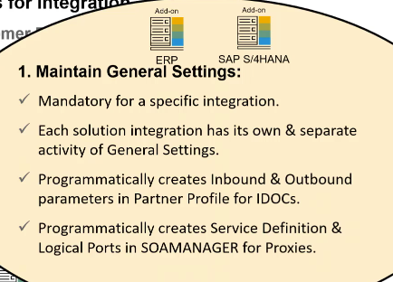

2 | Import Master Data:
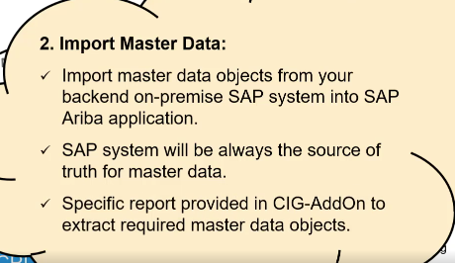

3 | Configure Transactions:
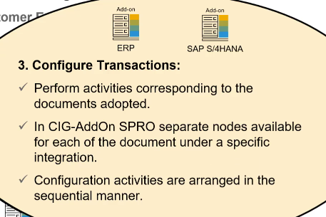

4 | Specify Cross-Reference Values in CIG Integration Project:
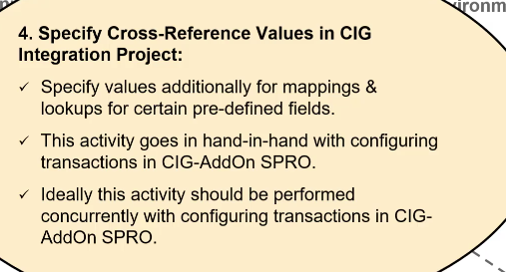

5 | Implement extensions and BADIs:
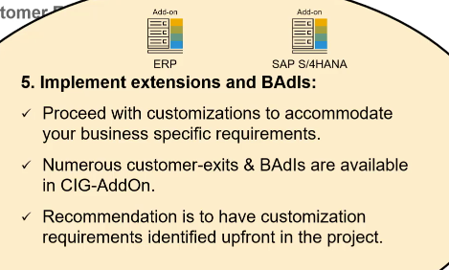

6 | Map custom fields with CIG's Mapping Tool:

Review & Deploy
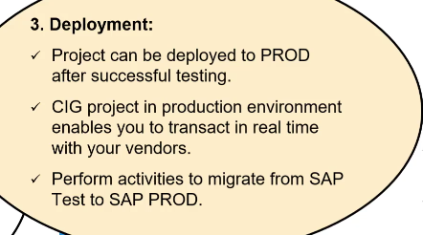
Review & Deploy
1 | Review CIG project configuration:
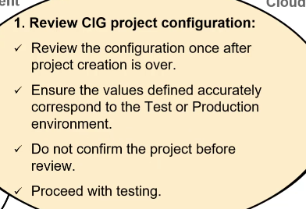

2 | Testing
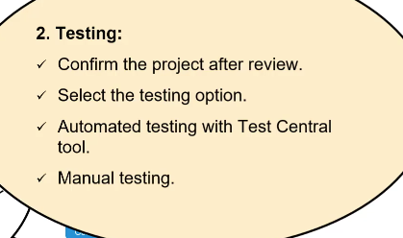

3 | Deployment:

